Sony Hardware
ISLAND / CITY: Maale | CONTACT NO: 3336699
OUTLET NAME: Sony Hardware | CONTACT PERSON:
OUTLET TYPE: HARDWARE
OUTLET CODE:
PRODUCT NAME | PRODUCT SPECIFICATION | Product code | May_2022 | Jun_2022 | Jul_2022 | Aug_2022 | Sep_2022 | Oct_2022 | Nov_2022 | Dec_2022 | Jan_2023 | Feb_2023 | Mar_2023 | Apr_2023 | May_2023 | Jun_2023 | Jul_2023 | Aug_2023 | Sep_2023 | Oct_2023 | Nov_2023 | Dec_2023 | Jan_2024 | Feb_2024 | Mar_2024 | Apr_2024 | May_2024 | Jun_2024 | Jul_2024 | Aug_2024 | Sep_2024 | Oct_2024 | Nov_2024 | Dec_2024 | Jan_2025 | Feb_2025 | Mar_2025 | Apr_2025 | May_2025 | Jun_2025
 |  |  | May_2022 | Jun_2022 | Jul_2022 | Aug_2022 | Sep_2022 | Oct_2022 | Nov_2022 | Dec_2022 | Jan_2023 | Feb_2023 | Mar_2023 | Apr_2023 | May_2023 | Jun_2023 | Jul_2023 | Aug_2023 | Sep_2023 | Oct_2023 | Nov_2023 | Dec_2023 | Jan_2024 | Feb_2024 | Mar_2024 | Apr_2024 | May_2024 | Jun_2024 | Jul_2024 | Aug_2024 | Sep_2024 | Oct_2024 | Nov_2024 | Dec_2024 | Jan_2025 | Feb_2025 | Mar_2025 | Apr_2025 | May_2025 | Jun_2025
Materials for the maintenance and repair of the dwelling (ND) | Product 1
Cement | Type: Cement powder Size of unit : 50 Unit of measure: kg or 1 bag Other specification: packed in plastic bag packed in maldives Brand: Lafarge brand Code: 708059 | 111|103|242|002 | 125.08 | 125.08 | 125.08 | 125.08 | 125.08 | 125.01 | 125.08 | 125.08 | 129.00 | 129.00 | 129.00 | 129.00 | 129.00 | 129.00 |  |  |  |  |  |  | 129.00 | 129.00 | 129.00 | 129.00 |  |  |  |  |  | 140.40 | 140.40 | 140.40 | 145.00 | 145.00 | 145.00 | 145.00 | 145.00 | 145.00
Cement | Type: Cement powder Size of unit : 50 Unit of measure: kg or 1 bag Other specification: packed in plastic bag packed in maldives Brand:Villa cement Code: 708092 | 111|103|242|003 | 150.00 | 150.00 | 150.00 | 150.00 | 150.00 | 150.00 | 150.00 | 150.00 | 153.00 | 153.00 | 153.00 | 153.00 | 153.00 | 153.00 | 153.00 | 153.00 | 153.00 | 153.00 | 153.00 | 153.00 | 153.00 | 153.00 | 153.00 | 153.00 |  |  |  |  |  |  |  |  | 160.00 | 160.00 | 160.00 | 160.00 | 160.00 | 160.00
Tiles | Type: Matte White Tiles Size of unit(l/w): 600x600mm Unit of measure: mm Brand: Somany Made in: Code: SH-009201 | 111|103|243|007 |  |  |  |  |  |  |  |  |  |  |  |  |  |  |  |  |  |  |  |  |  |  |  |  |  |  |  |  | 64.81 | 64.81 | 64.81 | 64.81 | 67.59 | 67.59 | 67.59 | 67.59 | 67.59 | 67.59
Toilet bowl | Type: One Pcs Toilet Set S-Trap 300mm A503 Size of unit: 360 mm Unit of measure: Brand: Made in: Code: SH-010450 | 111|103|246|008 |  |  |  |  |  |  |  |  |  |  |  |  |  |  |  |  |  |  |  |  |  |  |  |  |  |  |  |  | 2456.48 | 2456.48 | 2456.48 | 2456.48 | 2530.56 | 2530.56 | 2530.56 | 2530.56 | 2530.56 | 2530.56
Water-based paint | 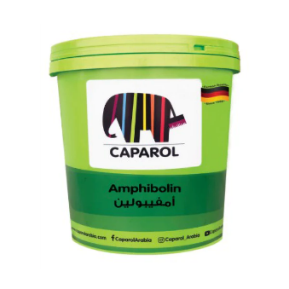 Type (indoor/outdoor; for wall/wood): paint Material(acrylic/latex) Finish(gloss/mat): Gloss White Number of units: 18LTR - Unit of measure: liter Package type: Tin Brand: Caparol Amphibolin Code: SH-009390 | 111|103|247|012 |  |  |  |  |  |  |  |  |  |  |  | 3775.19 | 3775.19 | 3775.19 | 3775.19 | 3775.19 | 3775.19 | 3775.19 | 3775.19 | 3775.19 | 3773.00 | 3773.00 | 3773.00 | 3773.00 | 3773.00 | 3773.00 | 3773.00 | 3773.00 | 3773.00 | 3377.45 | 3377.45 | 3377.45 | 3479.63 | 3479.63 | 3479.63 | 3479.63 | 3479.63 | 3479.63
Major tools and equipment (D)
Water pump | Type: Water Pump PS230 Size of unit: 1 Unit of measure: piece Horse power: Material(cast iron/stainless steel): Voltage(V) Pressure(high/low): Model: Brand: Shimizu Made in: Code: SH-006639 | 111|103|306|001 | 2646.82 | 2646.82 | 2646.82 | 2646.82 | 2646.82 | 2646.82 | 2646.82 | 2646.82 | 2945.00 | 2945.00 | 2945.00 | 2945.00 | 2945.00 | 2945.00 |  |  |  |  |  |  | 2759.00 | 2759.00 | 2759.00 | 2759.00 | 2759.00 | 2759.00 | 2759.00 | 2759.00 | 2759.00 | 2554.63 | 2554.63 | 2554.63 | 2554.63 | 2554.63 | 2554.63 | 2554.63 | 2554.63 | 2554.63
Small tools and miscellaneous accessories (SD)
Light Bulb | Type :Del Ll 11W/827 220-240v Colour(warm/day light): Warm White Power(Wattage): Shape:(eg:tube/round/stick, etc.):tube Size(diameter; length): Packaging(eg:pack of 1 to 2; or sold individually): Size of unit: 11 Unit of measure: volt Model: Brand: Osram Made in: Code: SH-005965 | 111|103|309|006 |  |  |  |  |  |  |  |  |  |  |  |  |  |  |  |  |  |  | 14.81 | 14.81 | 15.99 | 15.99 | 15.99 | 15.99 | 15.99 |  |  |  | 15.99 | 14.81 | 14.81 | 14.81 | 14.81 | 14.81 | 14.81 | 14.81 | 14.81 | 14.81

Index furniture
ISLAND / CITY: Maale
OUTLET NAME: Index Furniture | CONTACT NO: 300-2444
OUTLET TYPE: FURNITURE | CONTACT PERSON:
OUTLET CODE: | Month : 2018
PRODUCT NAME | PRODUCT SPECIFICATION | Product code | May_2022 | Jun_2022 | Jul_2022 | Aug_2022 | Sep_2022 | Oct_2022 | Nov_2022 | Dec_2022 | Jan_2023 | Feb_2023 | Mar_2023 | Apr_2023 | May_2023 | Jun_2023 | Jul_2023 | Aug_2023 | Sep_2023 | Oct_2023 | Nov_2023 | Dec_2023 | Jan_2024 | Feb_2024 | Mar_2024 | Apr_2024 | May_2024 | Jun_2024 | Jul_2024 | Aug_2024 | Sep_2024 | Oct_2024 | Nov_2024 | Dec_2024 | Jan_2025 | Feb_2025 | Mar_2025 | Apr_2025 | May_2025 | Jun_2025
 |  |  | May_2022 | Jun_2022 | Jul_2022 | Aug_2022 | Sep_2022 | Oct_2022 | Nov_2022 | Dec_2022 | Jan_2023 | Feb_2023 | Mar_2023 | Apr_2023 | May_2023 | Jun_2023 | Jul_2023 | Aug_2023 | Sep_2023 | Oct_2023 | Nov_2023 | Dec_2023 | Jan_2024 | Feb_2024 | Mar_2024 | Apr_2024 | May_2024 | Jun_2024 | Jul_2024 | Aug_2024 | Sep_2024 | Oct_2024 | Nov_2024 | Dec_2024 | Jan_2025 | Feb_2025 | Mar_2025 | Apr_2025 | May_2025 | Jun_2025
Furniture and furnishings (D)
Bed | Type: Piano bed Dimensions: 164 x 206.7 x 100 cm (5 x 6.6 x h3ft) Number of units (eg: 1 piece): 1 material : Wood with melamine Other specification: Model: Piano bed 5 x 6.6 Brand: WINNER code: 41880 | 111|089|270|001 | 6335.00 | 6335.00 | 6335.00 | 6335.00 | 6335.00 | 6335.00 | 6335.00 | 6335.00 | 6454.54 | 6454.54 | 6131.81 | 6454.54 | 6454.54 | 4000.00 | 4000.00 | 6454.54 | 6454.54 | 6454.54 | 6454.54 | 6454.54 | 6454.54 | 6454.54 | 6454.54 | 6454.54 | 6454.54 | 6454.54 | 6454.54 | 6454.54 | 6454.54 | 6454.54 | 6454.54 | 6454.54 | 6454.53 | 6454.53 | 6454.53 | 6454.53 | 6454.53 | 6454.53
Wardrobe | Type: MELODIAN WARDROBE WITH 4 DOORS - WHITE Dimensions: 160 x 58.8 x 210 cm material : PB wood covered with melamine Other specification: Color: white melamine Number of units (eg: 1 piece): 1 Brand: WINNER WARDROBE code: 42473 | 111|089|271|012 |  |  |  |  |  |  |  |  |  |  |  |  |  |  |  |  |  |  |  |  |  | 10375.00 | 10375.00 | 10375.00 | 10375.00 | 10375.00 | 10375.00 | 10375.00 | 10375.00 | 10375.00 | 10375.00 | 10375.00 | 10375.00 | 10375.00 | 10375.00 | 10375.00 | 10375.00 | 10375.00
Sofa set | Type: Reversible Corner Fabric Sofa Size of unit: Unit of measure: material : Other specification: DARK BLUE Brand: JAMAICA code: 38969 | 111|089|273|014 |  |  |  |  |  |  |  |  |  |  |  |  |  |  |  |  |  |  |  |  |  |  |  |  |  |  |  |  | 7500.00 | 7500.00 | 7500.00 | 7500.00
Household textiles (SD)
Bedsheet | 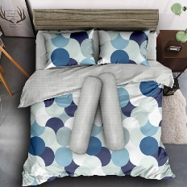 Type: QUEEN BEDDING Size of unit: 1 set Unit of measure: L 155 x W 200 x Thickness 30 CM model: Queen size Other specification: Bedsheet 6 pc set Brand: GAVIN Made in: Code: 42354 | 111|089|544|011 |  |  |  |  |  |  |  |  |  |  |  |  |  |  |  | 1220.00 | 1220.00 | 1220.00 | 1220.00 | 1220.00 | 1220.00 | 1220.00 | 1220.00 | 1220.00 | 1220.00 | 1220.00 | 1220.00 | 1220.00 | 1220.00 | 1220.00 | 1220.00 | 1220.00 | 1220.00 | 1220.00 | 1220.00 |  | 1220.00 | 1220.00

AH Brothers
ISLAND / CITY: Maale
OUTLET NAME: AH brothers | CONTACT NO:
OUTLET TYPE: HARDWARE | CONTACT PERSON:
OUTLET CODE: | Month : 2018
PRODUCT NAME | PRODUCT SPECIFICATION | Product code | May_2022 | Jun_2022 | Jul_2022 | Aug_2022 | Sep_2022 | Oct_2022 | Nov_2022 | Dec_2022 | Jan_2023 | Feb_2023 | Mar_2023 | Apr_2023 | May_2023 | Jun_2023 | Jul_2023 | Aug_2023 | Sep_2023 | Oct_2023 | Nov_2023 | Dec_2023 | Jan_2024 | Feb_2024 | Mar_2024 | Apr_2024 | May_2024 | Jun_2024 | Jul_2024 | Aug_2024 | Sep_2024 | Oct_2024 | Nov_2024 | Dec_2024 | Jan_2025 | Feb_2025 | Mar_2025 | Apr_2025 | May_2025 | Jun_2025
 |  |  | May_2022 | Jun_2022 | Jul_2022 | Aug_2022 | Sep_2022 | Oct_2022 | Nov_2022 | Dec_2022 | Jan_2023 | Feb_2023 | Mar_2023 | Apr_2023 | May_2023 | Jun_2023 | Jul_2023 | Aug_2023 | Sep_2023 | Oct_2023 | Nov_2023 | Dec_2023 | Jan_2024 | Feb_2024 | Mar_2024 | Apr_2024 | May_2024 | Jun_2024 | Jul_2024 | Aug_2024 | Sep_2024 | Oct_2024 | Nov_2024 | Dec_2024 | Jan_2025 | Feb_2025 | Mar_2025 | Apr_2025 | May_2025 | Jun_2025
Materials for the maintenance and repair of the dwelling (ND) | Product 1
Water-based paint | 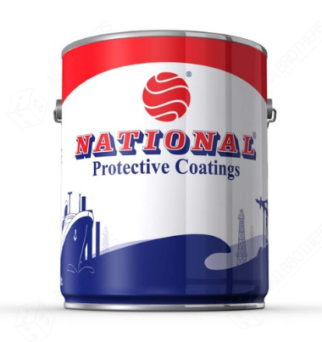 Type (indoor/outdoor; for wall/wood): White Under Coat Finish(gloss/mat): Number of units: 3.6 Unit of measure: litre Package type: Tin Brand: National Made in: Code: 17731 | 111|104|247|002 |  |  |  |  |  |  |  |  |  |  |  | 422.57 | 422.57 | 422.57 | 422.57 | 422.57 | 422.57 | 422.57 | 422.57 | 422.57 | 422.57 | 422.57 | 422.57 | 422.57 | 422.57 | 422.57 | 422.57 | 422.57 | 422.57 | 422.57 | 422.57 | 422.57 | 422.57 | 422.57 | 422.57 | 422.57 | 422.57 | 422.57
Scews/Nails/Door Hinge | 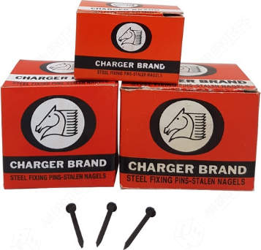 Type: Concrete Nail Black Number of units: 1 Unit of measure: Box Package type: Steel Other specification: 50 mm Made in: Code: 1996 | 111|104|248|001 | 36.10 | 36.10 | 36.10 | 36.10 | 36.10 | 36.10 | 36.10 | 36.10 | 37.10 | 37.10 | 37.10 | 37.10 | 37.80 | 37.80 | 37.80 | 37.80 | 37.80 | 37.80 | 37.80 | 37.80 | 37.80 | 37.80 | 37.80 | 37.80 | 37.80 | 37.80 | 37.80 | 37.80 | 37.80 | 37.80 | 37.80 | 37.80 | 37.80 | 37.80 | 37.80 | 37.80 | 37.80 | 37.80
Scews/Nails/Door Hinge | 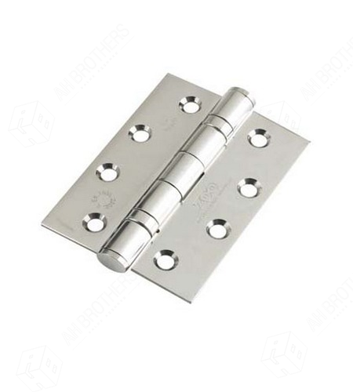 Type:Door Hinges, SS With Bearing Number of units: 1 Unit of measure: Piece Size: 6" x 30mm, 50mm (2") Material: Steel Made in: Code: 2824 | 111|104|248|002 | 158.00 | 158.00 | 158.00 | 158.00 | 158.00 | 158.00 | 158.00 | 158.00 | 160.00 | 160.00 | 160.00 | 160.00 | 160.00 | 160.00 | 160.00 | 160.00 | 160.00 | 160.00 | 160.00 | 160.00 | 160.00 | 160.00 | 160.00 | 160.00 | 160.00 | 160.00 | 160.00 | 160.00 | 160.00 | 160.00 | 160.00 | 160.00 | 160.00 | 160.00 | 160.00 | 160.00 | 160.00 | 160.00
Scews/Nails/Door Hinge | Type: Brass Screw - 3" Number of units: 1 Unit of measure: Piece Size:3 Inch Material:Brass,Flat Head, Bronz colour Made in: Code: 1936 | 111|104|248|003 | 3.50 | 3.50 | 3.50 | 3.50 | 3.50 | 3.50 | 3.50 | 3.50 | 3.82 | 3.82 | 3.82 | 3.82 | 3.82 | 3.82 | 3.82 | 3.82 | 3.82 | 3.82 | 3.82 | 3.82 | 3.82 | 3.82 | 3.82 | 3.82 | 3.82 | 3.82 | 3.82 | 3.82 | 3.82 | 3.82 | 3.82 | 3.82 | 3.89 | 3.89 | 3.89 | 3.89 | 3.89 | 3.89
Major tools and equipment (D)
Water pump | 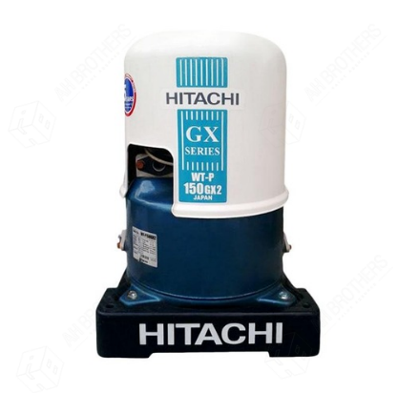 Type: pump Size of unit: 150 Unit of measure: watt Horse power: Material(cast iron/stainless steel): Voltage(V) Pressure(high/low): Model: WT-P150GX Brand: Hitachi Made in: japan Code: 3552 | 111|104|306|002 | 4200.00 | 4200.00 | 4200.00 | 4200.00 | 4200.00 | 4200.00 | 4200.00 | 4200.00 | 4995.00 | 4995.00 | 4995.00 | 4995.00 | 4995.00 | 4995.00 | 4995.00 | 4995.00 | 4995.00 | 4995.00 | 4995.00 | 4995.00 | 4995.00 | 4995.00 | 4995.00 | 4995.00 | 4995.00 | 4995.00 | 4995.00 | 4995.00 | 4995.00 | 4995.00 | 4995.00 | 4995.00 | 4995.00 | 4995.00 | 4995.00 | 4995.00 | 4995.00 | 4995.00
Small tools and miscellaneous accessories (SD)
Light Bulb | Type:(Compact Flourescent(CFL); light emitting diode (LED), etc.: Bulb Colour(warm/day light): Power(Wattage): Shape:(eg:tube/round/stick, etc.): Size(diameter; length): Packaging(eg:pack of 1 to 2; or sold individually): Size of unit: 23 Unit of measure: volt Model: E27-3U Brand: Philips Made in: Germany Code: 3279 | 111|104|309|002 | 120.00 | 120.00 | 120.00 | 120.00 | 120.00 | 120.00 | 120.00 | 120.00 |  | 80.00 | 80.00 | 80.00 | 80.00 | 80.00 | 80.00 | 80.00 | 80.00 | 80.00 | 80.00 | 80.00 | 80.00 | 80.00 | 80.00 | 80.00 | 80.00 | 80.00 | 80.00 | 80.00 | 80.00 | 80.00 | 80.00 | 80.00 | 80.00 | 80.00 | 80.00 | 80.00 | 80.00 | 80.00

